1. Title Page
[Instacart Basket Analysis]

Project Name: Instacart Basket Analysis
Date:11.04.2024
Analyst Name: Roxana Miu

Contents:
Population Flow
Consistency checks
Wrangling steps
Column derivations
Visualizations
Recommendations

2. Population Flow
 | Title page

Population flow

Exclusion flag
Condition: max_order < 5
Obervations to be removed: 1 440 295
Final total count of order_products_all: 32 404 859

Orders_products_combined
Orders_products_merged
Orders_products_all

Total:32 404 859
Total: 32 434 489
Total:
32 404 859

1.) The grey boxes in the first row of the population flow represent the original data sets as they were when you downloaded them. In the Total fields you need to add the count of the rows when you imported the data set into Jupyter.
2.) The second row of boxes (coloured) represents the data sets after you manipulated them, e.g., removed missing values and duplicates. In the Total fields you need to add the count of the rows after conducting these operations. This offers a visual oveview of how the data flows throughout the data consistency checks.
3.) The third row, where also the arrows are coloured, represents the merges you performed between the datasets. In the Total fields you need to add the count of the rows in the merged datasets, so that you end up with the final dataset (in the red box). Keep in mind the final dataset should be without exclusions (based on the exclusion flag).

3. Consistency checks
 |  |  |  | Title page
Consistency checks

Dataset | Missing values | Missing values treatment | Duplicates
orders | 206209 in 'days_since_prior_order' | Represents first order of each user, no changes were made
products | 16 in 'product_name' | deleted | 5 duplicates deleted
orders_products_prior | 5127 outliers in 'prices' | changed to NaN
customers

4. Wrangling steps
 |  |  |  | Title page
Wrangling steps

Columns dropped | Columns renamed | Columns' type changed | Comment/Reason
eval_set' / orders.csv |  |  | orders.csv - Column is not needed for analysis
 | 'order_dow' to 'orders_day_of_week' |  | orders.csv - Renamed for clarity
 |  | user_id | orders.csv - changed from integer to string
 |  | department_id' transposed | department.csv - change from wide format to long format
 |  | user_id | customer.csv - changed from integer to string
 | First Name' to 'first_name' |  | renamed for clarity
 | Surnam' to 'last_name' |  | renamed for clarity
 | STATE' to 'state' |  | renamed for clarity
 | Gender' to 'gender' |  | renamed for clarity
 | Age' to 'age' |  | renamed for clarity
'date_joined' |  | deleted | Column is not needed for analysis
 |  | 'first_name' | customer.csv - changed from integer to string
first_name' |  |  | deleted according to PII
surname' |  |  | deleted according to PII

5. Column derivations
 |  |  |  |  | Title page

Column derivations and aggregations

In this tab you should add tables below that the frequences of flags/label variables that you produced after deriving them. NB: don't do this for continuous variables, only for flags.
Dataset | New column | Column/s it was derived from | Conditions
df_ords_prods_merge | price_range_loc | prices | Low-range product <= 5 Mid-range product >5 or <= to 15 High-range product > 15
df_ords_prods_merge | busiest_day | orders_day_of_week | Busiest days == 0 Least busy days == 4 Regularly busy = all others
df_ords_prods_merge | busiest_period_of_day | hour_of_order | Fewest orders = between 0 and 6 or = 23; Average orders = between 10 and 16 or = 9; Most orders = all other hours
ords_prods_merge | loyalty_flag | max_order, user_id,order_number | Loyal customer has over 40; Regular customer is between 10 and 40; New customer is below 10 | price_range_loc | busiest_day |  | busiest_period_of_day
ords_prods_merge | frequency_flag | median_days_since_prior_order,user_id,days_since_prior_order | Non-frequent customer > 20; Regular customer is between 10 and 20; Frequent customer <= 10 | Mid-range product 21860860 | Regularly busy 22416875 |  | Most orders 18663868
ords_products_combined | region | state | States divided into the four regions | Low-range product 10126321 | Busiest day 6204182 |  | Average orders 13144663
efficient_ords_prods | max_order | max_order | If max_order is < 5 then the user id is deleted | High-range product 417678 | Least busy 3783802 |  | Fewest orders 596328
efficient_ords_prods | income_bracket | income | If the income is less than 50k, between 50 and 150k and over 150k, customers are categorizes as with low, medium and high income | Name: count, dtype: int64 | Name: count, dtype: int64 |  | Name: count, dtype: int64
efficient_ords_prods | parental_status | number_dependants | Parent or no parent if the number of dependants is less than 1
efficient_ords_prods | age_group | age | Depending on the age, they are categorized as young, mature or senior citizen.
efficient_ords_prods | customer_profile | parental_status,age_group | Creating the profiles Middle-Aged Parent , Young Adult Parent , Senior Citizen Parent , Middle-Aged Single Adult ,Single Young Adult , Single Senior Citizen | loyalty_flag | frequency_flag |  | income_bracket
efficient_ords_prods | total_purchase | user_id,prices | Creating the total purchase for every user_id | Regular customer 15876776 | Frequent customer 20287988 |  | Medium Income 17162609
 |  |  |  | Loyal customer 10284093 | Regular customer 8108215 |  | Low Income 9906636
 |  |  |  | New customer 6243990 | Non-frequent customer 4008651 |  | High Income 3895275
 |  |  |  | Name: count, dtype: int64 | nan 5 |  | Name: count, dtype: int64
 |  |  |  |  | Name: count, dtype: int64

 |  |  |  | region | max_order | age_group
 |  |  |  | South 10791885 | 9 26116143 | Middle Aged Adult 14030171
 |  |  |  | West 8292913 | 99 1171333 | Young Adult 8738805
 |  |  |  | Midwest 7597325 | 8 812897 | Senior Citizen 8195544
 |  |  |  | North 5722736 | 6 811396 | Name: count, dtype: int64
 |  |  |  | Name: count, dtype: int64 | 7 803979
 |  |  |  |  | 5 793140
 |  |  |  |  | 95 59877 | customer_profile
 |  |  |  |  | 91 59378 | Middle-Aged Parent 10490138
 |  |  |  |  | 92 55127 | Young Adult Parent 6561115
 |  |  |  |  | 94 52600 | Senior Citizen Parent 6173586
 |  |  |  |  | 93 50333 | Middle-Aged Single Adult 3540033
 |  |  |  |  | 90 48328 | Single Young Adult 2177690
 |  |  |  |  | 97 44949 | Single Senior Citizen 2021958
 |  |  |  |  | 98 44587 | Name: count, dtype: int64
 |  |  |  |  | 96 40453

 |  |  |  | customer_profile total_purchase
 |  |  |  | Middle-Aged Parent 12058.3 2973
 |  |  |  | 22696.9 2901
 |  |  |  | 21509.2 2888
 |  |  |  | 10930.6 2765
 |  |  |  | 6998.9 2747
 |  |  |  | ...
 |  |  |  | Young Adult Parent 38.1 5
 |  |  |  | 11.5 5
 |  |  |  | 15.0 5
 |  |  |  | 25.4 5
 |  |  |  | 64.5 5
 |  |  |  | Name: count, Length: 102043, dtype: int64

6. Visualizations

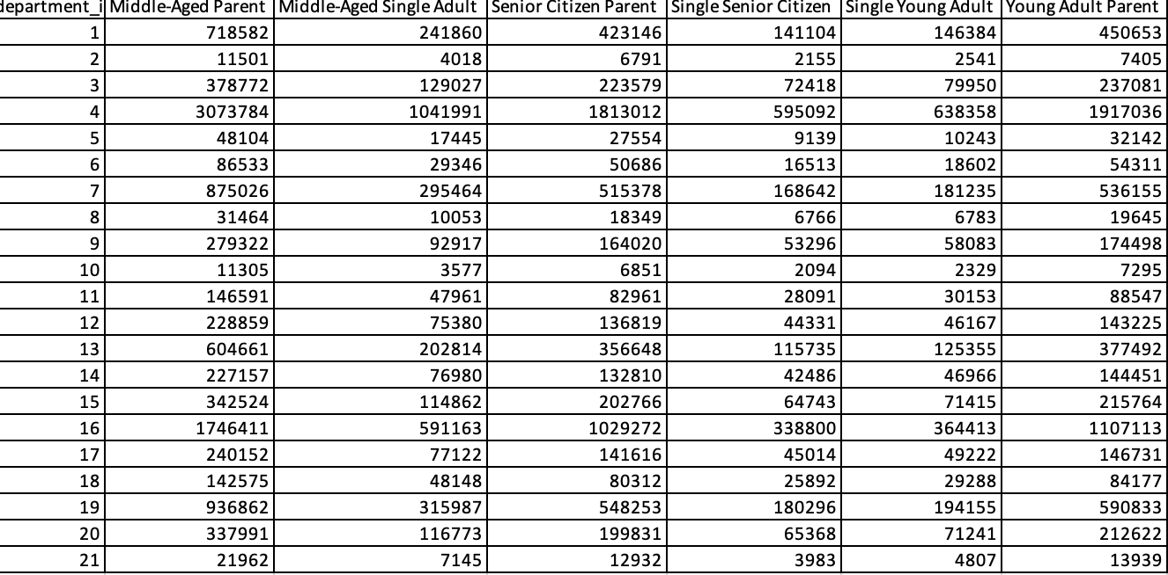
 |  |  |  |  |  | Title page

Visualisations

In this tab you should include all the visualtions from Exercises 4.9 and 4.10, alongside the questions from the project brief that they answer. Include any commentary on the relationship between different variables.

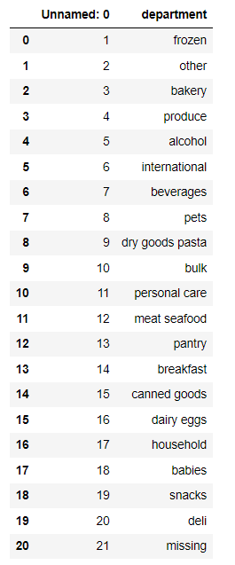
Visualization 1: Performing sales days |  |  | Visualization 2: Performing sales hours |  |  |  |  |  | Visualization 4: Most performant departments



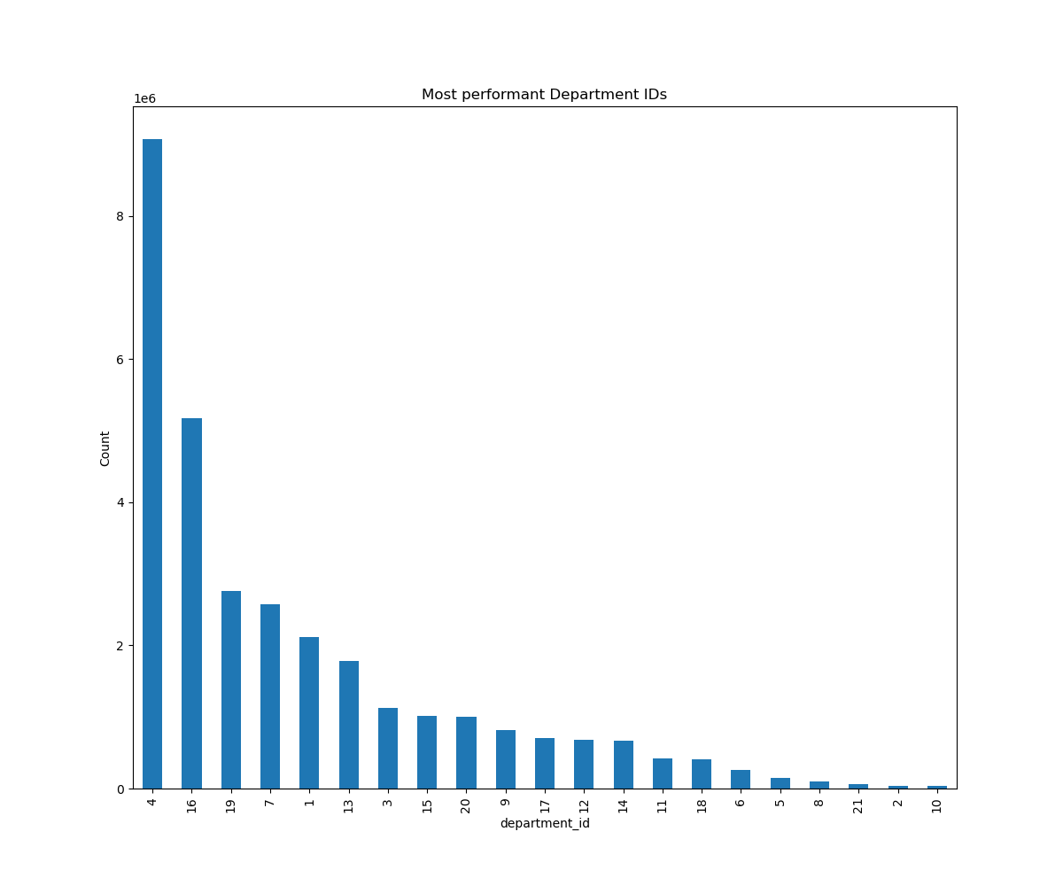

Visualization 3: Prices fluctuation in a day |  |  |  | Visualization 5: Loyalty flag/number distribution



Visualization 8: Purchasing habits according to Customer Profile |  |  |  |  | Visualization 10: Customer profiles by region |  |  |  |  | Visualization 9: Age in connection to number of dependents
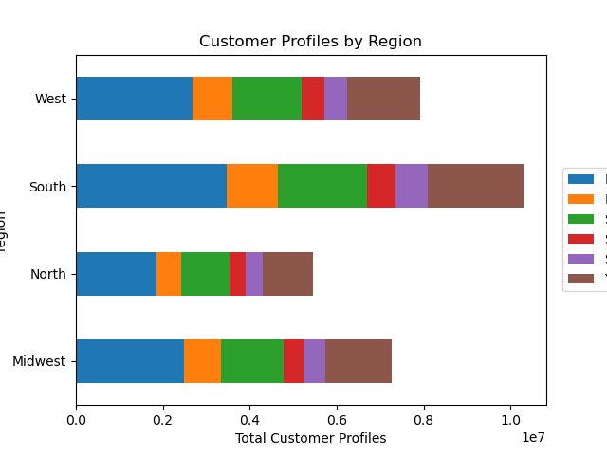

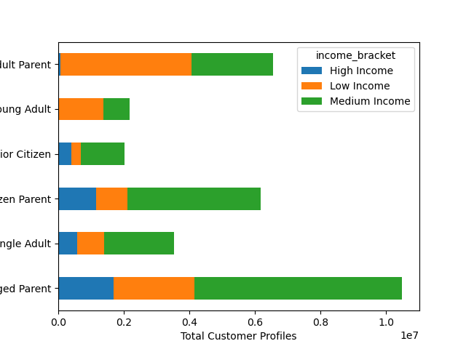

 |  | Visualization 6: Purchasing habits according to Loyalty flag |  |  |  |  | Visualization 8: Purchasing habits according to Region

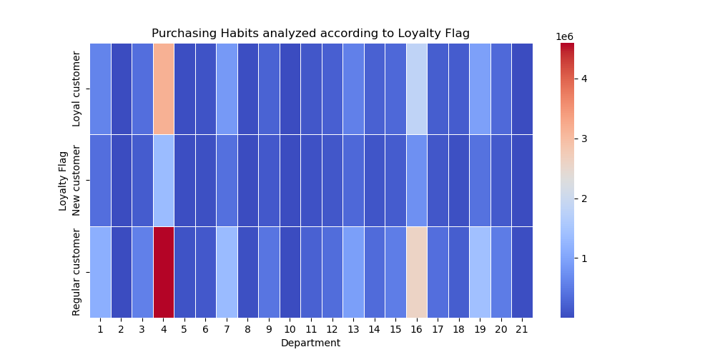
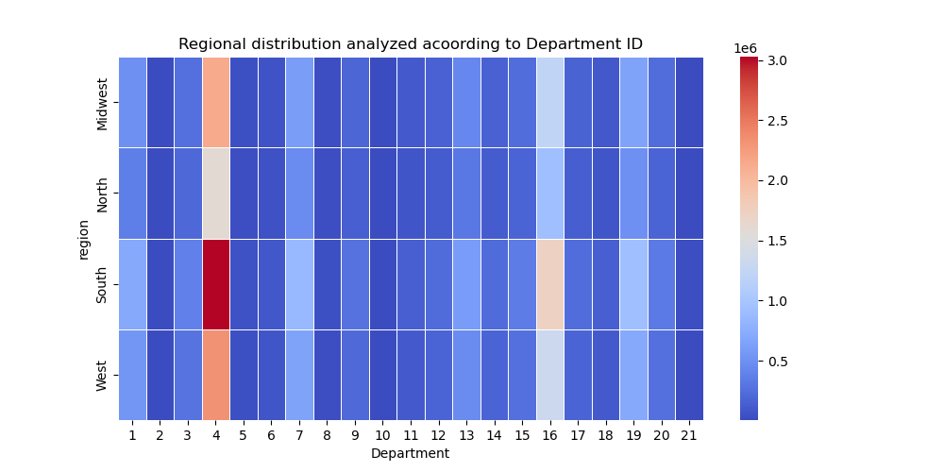

 | Visualization 7: Purchasing habits based on Departments and Customer profile
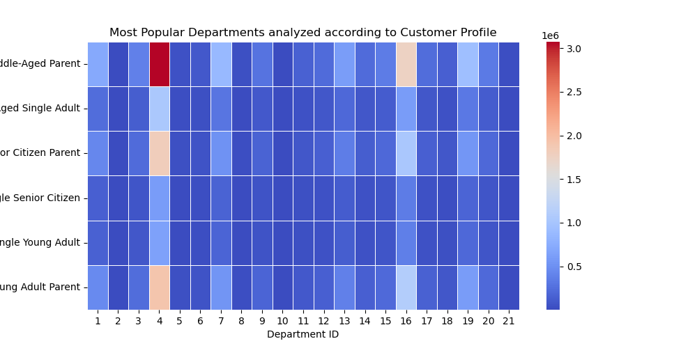

 |  |  |  |  |  |  |  | Visualization 11: Income by age

7. Recommendations
 |  | Title page

Recommendations

In this tab you should include any recommendations you would made to Instcart in terms of their marketing strategy based on the questions posed in the brief. Every key question has been covered in the Tasks of the Exercises - here you need to add an item - a visualisation or table/crosstable that is showing the answer in the data, acompanied by a comment from you. Please, list the questions below and add the answer underneath.

Question | The sales team needs to know what the busiest days of the week and hours of the day are (i.e., the days and times with the most orders) in order to schedule ads at times when there are fewer orders.
Answer | According to the bar charts 1 and 2, the busiest days are Saturdays and Sundays (represented by 0 and 1) and the busiest hours are between 10 and 15. spending most of the time doing online shopping.
 | I would recommend running the advertising a day before the weekend strikes, and outside the peak hours during the weekend to direct the indecised shopper towards the product

Question | They also want to know whether there are particular times of the day when people spend the most money, as this might inform the type of products they advertise at these times.
Answer | As is visible in chart number 3, the prices are smaller in the peak hours, which means an impulsive shopper that buys randomly products that doesn t require a lot of thinking and budget.
 | I would recommend an advertising for popular products for the impulsive buyers and a detailed analysis for the expensive products (quantity, if they are suitable for family, small kids etc) befor I would launch a campaign

Question | Instacart has a lot of products with different price tags. Marketing and sales want to use simpler price range groupings to help direct their efforts.
 | Are there certain types of products that are more popular than others?
 | The marketing and sales teams want to know which departments have the highest frequency of product orders.
Answer | As per Chart 4, we can see that are departments that are performing better than others,
 | Top 3 performing departments:Produce, Dairy&Eggs,Snacks
 | Recommandations: cross sales with a department that is not performing, seasonal sales

Question | What’s the distribution among users in regards to their brand loyalty (i.e., how often do they return to Instacart)?
Answer | As in Chart number 5, the number of regular customers is the biggest, but regular customers are not the ones that are generating the biggest income for the company.
 | The biggest income is generated by the loyal customers that are coming back every 6 days. As per that, I would recommend a loyalty plan based on the customer that generated the most

Question | Are there differences in ordering habits based on a customer’s loyalty status?
Answer | According to heat map presented in chart number 6, we can see, all the customer that purchased for a while from the company, is developing the same pattern.
 | This can mean a common need for a certain department or a best seller of all time. Of course we can t see the same patter on the new comers because they didn t had enough time to develop a pattern.

Question | Are there differences in ordering habits based on a customer’s region?
Answer | As in Visualization number 8 and attached Excel table, South region is the best performing, following the pattern we saw at the genaral scale with the best performing departments
 | the same best days and hours of operation.Recommandation: the marketing strategy can be applied on all the zones in the same way.

Question | Is there a connection between age and family status in terms of ordering habits?
Answer | Based on visualisation number 7, the parents in every category of age tend to make more purchases. The pattern remains the same in the performing departments area.
 | Recommandations:focus on families with more dependents and their preference for the advertising target

Question | What different classifications does the demographic information suggest? Age? Income? Certain types of goods? Family status?
Answer | The vizualisations 7 and 8 show clearly that the parents not only have the biggest income per household but they are spending more. Age doesn t influence the number of dependents, so not the purchases.
 | As for the goods, The performing departments remain Produce and Dairy&Eggs.

Question | What differences can you find in ordering habits of different customer profiles? Consider the price of orders, the frequency of orders, the products customers are ordering, and anything else you can think of.
Answer | The customers are following the same pattern. We can see a different behaviour between parents and non parents. Definetely the parents are willing to spend more on their dependents. Based on this I will focus my campaign on the family oriented products.

